Home page
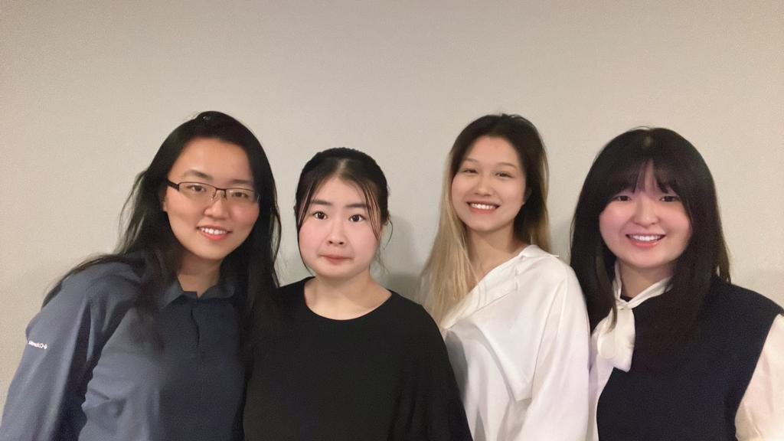 Red Brand Canners Pamplemousse Consultants

Providing price suggestion base on product revenue

Member from left to right | Anna Liu | Jing Ting Lin | Kally Yu | Yoonjin Bae

Table of Content
Analysis
Model
Sensitivity Report
Tab To Play With
Further Analysis

